Status Report
 |  |  |  |  |  |  |  |  |  |  |  |  |  |  |  |  |  |  |  |  |  |  |  |  |  |  |  |  |  |  |  |  |  |  |  |  |  |  |  |  |  | Project Plan
 |  | Project Name |  |  |  |  |  | Setra - Infor10 SCE Implementation |  |  |  |  |  |  |  |  |  | SNS Project Manager |  |  |  |  |  | Bernard Khazzaka |  |  |  |  |  |  | Operational Lead |  |  |  |  |  | Paul Saade |  |  |  |  | 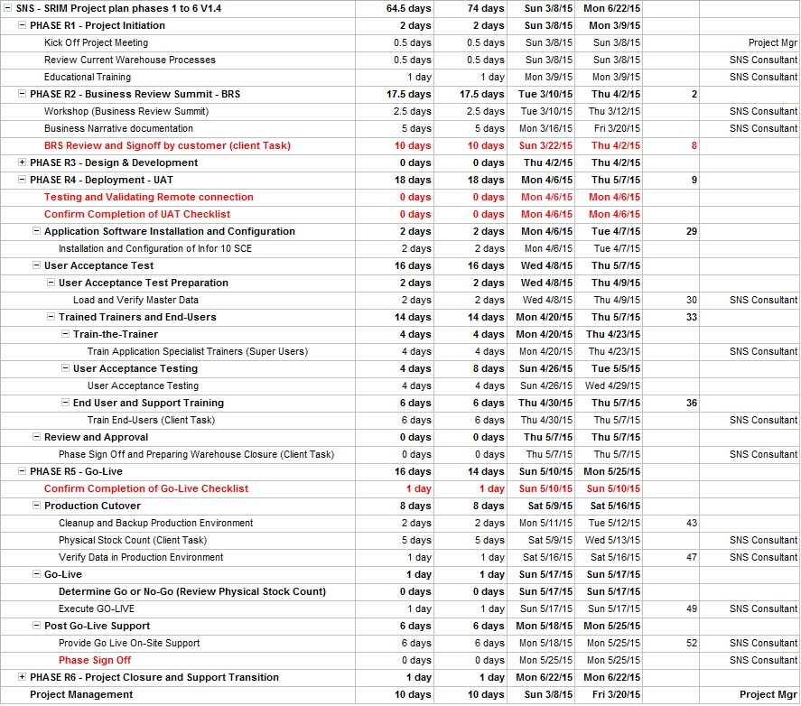
 |  | Project Sponsor |  |  |  |  |  | Rabie Raad / Hamza Dakkak |  |  |  |  |  |  |  |  |  | SNS Business Manager |  |  |  |  |  | Mario Ghosn |  |  |  |  |  |  | Report Date |  |  |  |  |  | 2015-03-19

Project Phases |  |  |  | Status |  |  |  |  | Project Highlights
I | Project Initiation |  |  | Completed |  |  |  |  | SOP document sent to Setra on Thursday March 19
II | Business Review Summit |  |  | In Progress |  |  |  |  | Super User training will be conducted by SNS from 20-04-2015 till 23-04-2015
III | Deployment and UAT |  |  | Not Started |  |  |  |  | UAT will be conducted by SNS from 26-04-2015 till 29-04-2015
IV | Go-Live |  |  | Not Started |  |  |  |  | End user training will be conducted by Setra from 30-04-2015 till 07-05-215
V | Project Closure |  |  | Not Started |  |  |  |  | Stock count will be conducted by Setra from 09-05-2015 till 13-05-2014

Project Health Indicators |  |  |  | Period Ending
On Track |  |  | G | 12-Mar-15 | 19-Mar-15 | 26-Mar-15 | 2-Apr-15 | 9-Apr-15 | 16-Apr-15 | 23-Apr-15 | 30-Apr-15 | 7-May-15 | 14-May-15 | 21-May-15 | 28-May-15 | 4-Jun-15 | 11-Jun-15 | 18-Jun-15 | 25-Jun-15 | 2-Jul-15 | 9-Jul-15 | 16-Jul-15 | 23-Jul-15 | 30-Jul-15 | 6-Aug-15 | 13-Aug-15 | 20-Aug-15 | 27-Aug-15 | 3-Sep-15 | 10-Sep-15 | 17-Sep-15 | 24-Sep-15 | 1-Oct-15 | 8-Oct-15 | 15-Oct-15 | 22-Oct-15 | 29-Oct-15 | 5-Nov-15 | 12-Nov-15 | 19-Nov-15 | 26-Nov-15
Manageable Issues / Risks |  |  | Y
Major Problems |  |  | R
Project Scope |  |  |  | G | G
Resources |  |  |  | G | G
Timeline |  |  |  | G | G
Project Finance |  |  |  | G | G
Risks & Issues |  |  |  | G | G
Overall Project Health |  |  |  | G | G

Latest Achievements / Completed Tasks
Project Kickoff and Onsite Survey
Educational Training
SOP Meeting

Open Issues and Risks
Description |  |  |  |  |  |  |  |  |  |  |  |  |  |  | Rating |  | Responsibility |  |  |  |  |  | Planned Actions
WH Floor Maintenance |  |  |  |  |  |  |  |  |  |  |  |  |  |  |  |  | Setra |  |  |  |  |  | Setra team is waiting feedback from maintenance company
Racking Readiness |  |  |  |  |  |  |  |  |  |  |  |  |  |  |  |  | Setra |  |  |  |  |  | Setra team is waiting feedback from racking company

Major Activities for the Next Period |  |  |  |  |  |  |  |  |  |  |  |  |  |  |  |  |  |  |  | Milestones in the next 6 Months
RF Devices Readiness estimated date: dd/mm/yyyy |  |  |  |  |  |  |  |  |  |  |  |  |  |  |  |  |  |  |  | Description |  |  |  |  |  |  |  |  |  |  |  |  |  |  |  |  | Date
WH Access Points (Connection) Readiness estimated date: dd/mm/yyyy |  |  |  |  |  |  |  |  |  |  |  |  |  |  |  |  |  |  |  | Project Kick-Off |  |  |  |  |  |  |  |  |  |  |  |  |  |  |  |  | 2015-02-08
Labels Printers Readiness estimated date: dd/mm/yyyy |  |  |  |  |  |  |  |  |  |  |  |  |  |  |  |  |  |  |  | SOP signoff by Setra |  |  |  |  |  |  |  |  |  |  |  |  |  |  |  |  | 2015-04-02
Have all items barcoded |  |  |  |  |  |  |  |  |  |  |  |  |  |  |  |  |  |  |  | UAT phase signoff |  |  |  |  |  |  |  |  |  |  |  |  |  |  |  |  | 2015-05-07
Get all the received pallets dimensions |  |  |  |  |  |  |  |  |  |  |  |  |  |  |  |  |  |  |  | Go-Live execution |  |  |  |  |  |  |  |  |  |  |  |  |  |  |  |  | 2015-05-17
Try to get all items dimensions and volumes |  |  |  |  |  |  |  |  |  |  |  |  |  |  |  |  |  |  |  | Go-Live phase signoff |  |  |  |  |  |  |  |  |  |  |  |  |  |  |  |  | 2015-05-25
Prepare the location labels after furnishing the warehouse and setting the final locations

